Dashboard
 Malaysian Population Demographics Dashboard

Population of Malaysians by State in 2022 (Millions)
 | Total
Selangor | 7
Johor | 4
Sabah | 3.4
Sarawak | 2.5
Perak | 2.5
Kedah | 2.2
W.P. Kuala Lumpur | 1.9
Kelantan | 1.8
Pulau Pinang | 1.7
Pahang | 1.6
N. Semblan | 1.2
Terengganu | 1.2
Melaka | 1
Perlis | 0.3
W.P. Putrajaya | 0.1
W.P. Labuan | 0.1

Growth Rate
 | Total
Johor | 0.1
Kedah | 0.9
Kelantan | 0.9
Melaka | 0.3
N. Semblan | 0.4
Pahang | 0.7
Perak | 0.2
Perlis | 0.8
Pulau Pinang | -0.1
Sabah | -0.6
Sarawak | 0.2
Selangor | 0.3
Terengganu | 1.4
W.P. Kuala Lumpur | -1
W.P. Labuan | 0.9
W.P. Putrajaya | 4.3

Fertility Rate
 | Total
2020 | 1.82
2022 | 1.79
2023 | 1.77
Density (P/km²)
 | Total
2020 | 101
2022 | 103
2023 | 104

Data From Picture
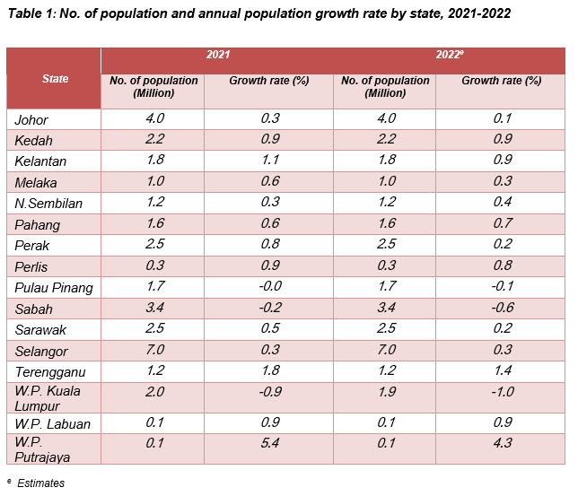
State | 2021 |  | 2022
 | No. of population (Million) | Growth rate (%) | No. of population (Million) | Growth rate (%)
Johor | 4 | 0.3 | 4 | 0.1
Kedah | 2.2 | 0.9 | 2.2 | 0.9
Kelantan | 1.8 | 1.1 | 1.8 | 0.9
Melaka | 1 | 0.6 | 1 | 0.3
N. Semblan | 1.2 | 0.3 | 1.2 | 0.4
Pahang | 1.6 | 0.6 | 1.6 | 0.7
Perak | 2.5 | 0.8 | 2.5 | 0.2
Perlis | 0.3 | 0.9 | 0.3 | 0.8
Pulau Pinang | 1.7 | 0 | 1.7 | -0.1
Sabah | 3.4 | -0.2 | 3.4 | -0.6
Sarawak | 2.5 | 0.5 | 2.5 | 0.2
Selangor | 7 | 0.3 | 7 | 0.3
Terengganu | 1.2 | 1.8 | 1.2 | 1.4
W.P. Kuala Lumpur | 2 | -0.9 | 1.9 | -1
W.P. Labuan | 0.1 | 0.9 | 0.1 | 0.9
W.P. Putrajaya | 0.1 | 54 | 0.1 | 4.3

Growth Rate
Growth Rate
Row Labels | Sum of Growth Rate (%)
Johor | 0.1
Kedah | 0.9
Kelantan | 0.9
Melaka | 0.3
N. Semblan | 0.4
Pahang | 0.7
Perak | 0.2
Perlis | 0.8
Pulau Pinang | -0.1
Sabah | -0.6
Sarawak | 0.2
Selangor | 0.3
Terengganu | 1.4
W.P. Kuala Lumpur | -1
W.P. Labuan | 0.9
W.P. Putrajaya | 4.3
Grand Total | 9.7

Density
Density (P/km²)
Row Labels | Sum of Density (P/Km²)
2020 | 101
2022 | 103
2023 | 104
Grand Total | 308

Fertility Rate
Fertility Rate
Date | Sum of Fertility Rate
2020 | 1.82
2022 | 1.79
2023 | 1.77
Grand Total | 5.38

Population by State
Population of Malaysians by State in 2022 (Millions)
Row Labels | Sum of No. of population (Million)
Selangor | 7
Johor | 4
Sabah | 3.4
Sarawak | 2.5
Perak | 2.5
Kedah | 2.2
W.P. Kuala Lumpur | 1.9
Kelantan | 1.8
Pulau Pinang | 1.7
Pahang | 1.6
N. Semblan | 1.2
Terengganu | 1.2
Melaka | 1
Perlis | 0.3
W.P. Putrajaya | 0.1
W.P. Labuan | 0.1
Grand Total | 32.5

